Document History
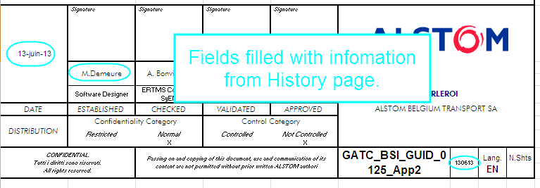
Reference: | GATC_BSI_GUID_0125_App8 | abcd |  | ERTMS TRB | 2014-08-08 | Search for last date
 |  |  |  |  | M.Demeure | Search for corresponding name
DOCUMENT REVISIONS |  |  |  |  | Do not modify the above fields.

Revision | Author | Date | Comments
2014-08-08 | M.Demeure | 2014-08-08 | First issue of this document. CR atvcm00560823: adding new TRU "IntTRU". |  | This file contains automatic filling of the cover and history page.
 |  |  |  |  | Do not fill the column A of this page, it's automatic and used for other fields!

 |  |  |  |  | Automatic filling of cover page:

